Sheet1
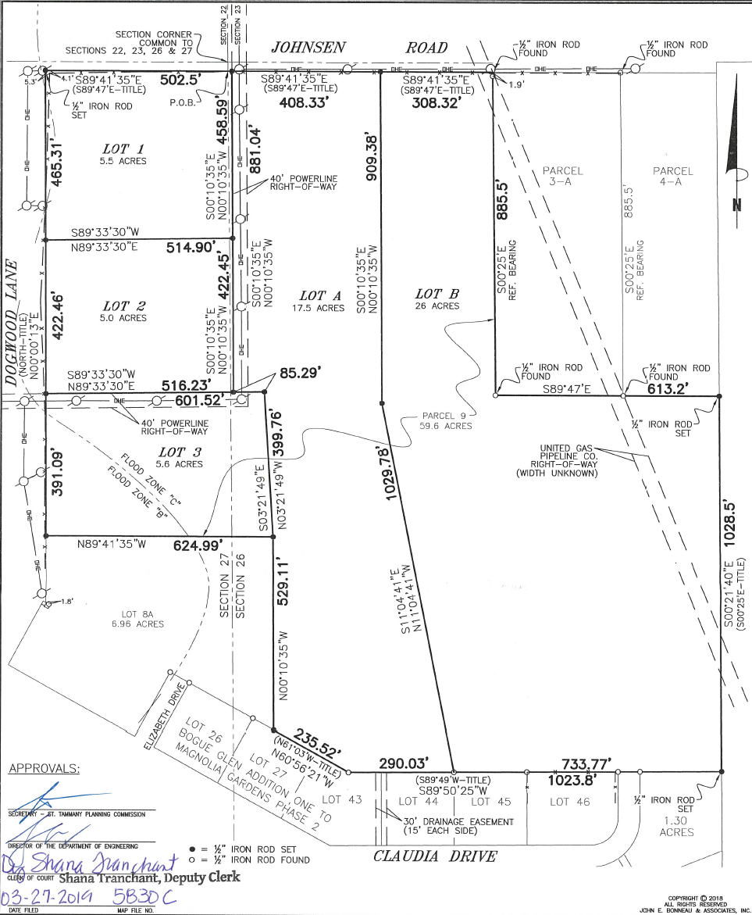
Borah Tract Lot Sizes, Map and Pricing

Lot Listings

Lot # | Approximate Acre Count | Price per Acre | List Price | Comments
1 | 5.50 | $29,500 | $162,250.00 | UNDER CONTRACT
2 | 5.00 | $29,500 | $147,500.00 | SOLD
3 | 5.60 | $29,500 | $165,200.00 | AVAILABLE
4 | 5.10 | $15,000 | $76,500.00 | SOLD
A | 17.50 | $15,171 | $265,500.00 | SOLD
B | 26.00 | $14,015 | $364,400.00 | SOLD

The information contained herein has been obtained from sources that we deem reliable; and the projections presented herein are subject to changes in market conditions.
The entirety of this document is used solely for internal modeling purposes, and all information contained in the document is subject to change without notice.
No representation or warranty is made as to the accuracy thereof, and it is submitted subject to errors, omissions, change of price, or other conditions, or withdrawal without notice. Licensed in Louisiana

